excel report
Excel Report

 | (1) what is this feature

 |  | Excel report is original feature for accounting customized report , and it can be define by registering excel template in system with specific code(original code) .
 |  | It can make customized summary of account transaction and make it into excel formatted report.

 | (2) menu for the excel report

 |  | (i) register excel report template
 |  |  |  | Accounting > Configuration >Excel Reports Configuration

 |  | (ii) use excel report
 |  |  |  | Accounting > Reports > Excel Reports
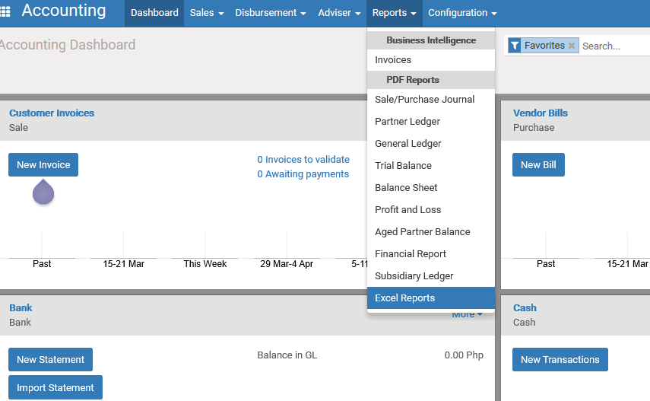

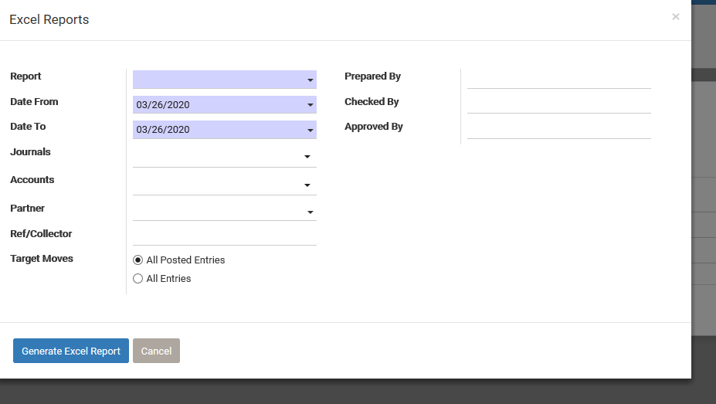
You can search by using these parameters.
the feature is ,
Search data from accounting data (daily close and posted data) by these search condition , and output in excel template you registered.

 | (3) Template

 |  | The file should have three sheets named below
 |  |  | Sheet [format] : define other output value ,group summary, etc
 |  |  | Sheet [data] : set temporarily search condition value which is set in excel report wizard
 |  |  | Sheet [output] : report result will be outputted on this sheet. Also, static string and formula which refer to [data] sheet(so that you can use search condition value in the report) can be defined in this sheet.

 |  | How to set the format , refer to explanation on Each sheet of [ExcelReport_Format_explanation.xlsx]

 | (4) sample

 |  | refer to [sample template] folder

 | (5) other detail

 |  | In details , see program source [wc_excel_report]

